NOTES_MEDITATIONS_MISC.
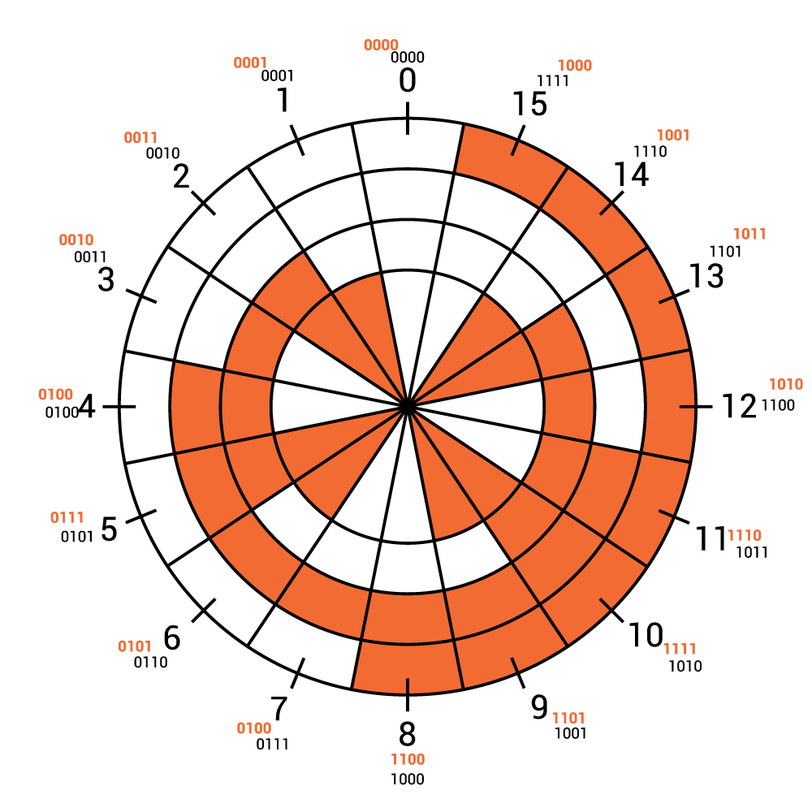
As Sculpted |  |  |  |  |  | GRAY ONES & ZEROES, 32-128
K1 - 63 |  |  | 1 | 1 | 1 | 0 | 0 | 0 | 0
K2 - 369 | (+ 3 ?) |  | 2 | 1 | 1 | 0 | 0 | 0 | 1
K3 - 336 | (+ 1 ?) |  | 3 | 1 | 1 | 0 | 0 | 1 | 1
768 | (3x2^8, 256x3) |  | 4 | 1 | 1 | 0 | 0 | 1 | 0
 |  |  | 5 | 1 | 1 | 0 | 1 | 1 | 0
 |  |  | 6 | 1 | 1 | 0 | 1 | 1 | 1
Corrected By Jim |  |  | 7 | 1 | 1 | 0 | 1 | 0 | 1
K1 - 63 |  |  | 8 | 1 | 1 | 0 | 1 | 0 | 0
K2 - 369 + |  |  | 9 | 1 | 1 | 1 | 1 | 0 | 0
x/S - 1 | Add x/S @ |  | 10 | 1 | 1 | 1 | 1 | 0 | 1
K3 - 336 | 362 before W |  | 11 | 1 | 1 | 1 | 1 | 1 | 1
769 | (Prime) |  | 12 | 1 | 1 | 1 | 1 | 1 | 0
 |  |  | 13 | 1 | 1 | 1 | 0 | 1 | 0
 |  |  | 14 | 1 | 1 | 1 | 0 | 1 | 1
To Be |  |  | 15 | 1 | 1 | 1 | 0 | 0 | 1
Corrected? |  |  | 16 | 1 | 1 | 1 | 0 | 0 | 0
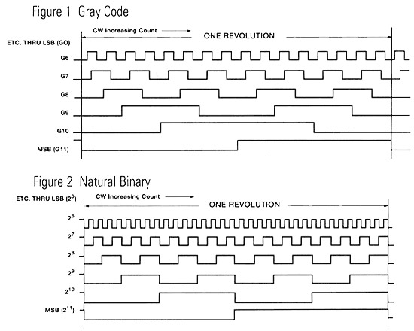
K1 - 63 |  |  | 17 | 1 | 0 | 1 | 0 | 0 | 0
K2 - 369 +1 | desparately |  | 18 | 1 | 0 | 1 | 0 | 0 | 1
K3 - 336 | Add E @ |  | 19 | 1 | 0 | 1 | 0 | 1 | 1
"E" - 1 | 184 before L |  | 20 | 1 | 0 | 1 | 0 | 1 | 0
770 | (2x5x7x11) |  | 21 | 1 | 0 | 1 | 1 | 1 | 0
 |  |  | 22 | 1 | 0 | 1 | 1 | 1 | 1
 |  |  | 23 | 1 | 0 | 1 | 1 | 0 | 1
To Be Further |  |  | 24 | 1 | 0 | 1 | 1 | 0 | 0
Corrected? |  |  | 25 | 1 | 0 | 0 | 1 | 0 | 0
K1 - 63 |  |  | 26 | 1 | 0 | 0 | 1 | 0 | 1
K2 - 369 +1 | grau |  | 27 | 1 | 0 | 0 | 1 | 1 | 1
"A" - 1 | Add A @ |  | 28 | 1 | 0 | 0 | 1 | 1 | 0
K3 - 336 +1 | 115 before U |  | 29 | 1 | 0 | 0 | 0 | 1 | 0
771 | (3x257) |  | 30 | 1 | 0 | 0 | 0 | 1 | 1
 |  |  | 31 | 1 | 0 | 0 | 0 | 0 | 1
 |  |  | 32 | 1 | 0 | 0 | 0 | 0 | 0
Decompensated? |  |  | 33 | 1 | 0 | 0 | 0 | 0 | 0
K1 - 63 |  |  | 34 | 1 | 0 | 0 | 0 | 0 | 1
K2 - 369 |  | despratly | 35 | 1 | 0 | 0 | 0 | 1 | 1
K3 - 336 |  | remove A @ 90 | 36 | 1 | 0 | 0 | 0 | 1 | 0
"A" - <1> |  | between I & C | 37 | 1 | 0 | 0 | 1 | 1 | 0 |  | NORTH 38° 57' 6.5", WEST 77° 08' 44"
767 | ((56+3)x13) |  | 38 | 1 | 0 | 0 | 1 | 1 | 1 |  | 6.5 is third, & third term is to be Яeversed
 |  |  | 39 | 1 | 0 | 0 | 1 | 0 | 1
 |  |  | 40 | 1 | 0 | 0 | 1 | 0 | 0
 |  |  | 41 | 1 | 0 | 1 | 1 | 0 | 0
 |  |  | 42 | 1 | 0 | 1 | 1 | 0 | 1
572 |  |  | 43 | 1 | 0 | 1 | 1 | 1 | 1 |  | Letters | A | B | C | D | E | F | G | H | I | J | K | L | M | N | O | P | Q | R | S | T | U | V | W | X | Y | Z
 |  |  | 44 | 1 | 0 | 1 | 1 | 1 | 0 |  | f | 4 | 5 | 2 | 3 | 2 | 4 | 4 | 2 | 4 | 3 | 8 | 4 | 1 | 3 | 5 | 3 | 4 | 4 | 6 | 6 | 6 | 2 | 5 | 2 | 1 | 4 | 97 | 26
 |  |  | 45 | 1 | 0 | 1 | 0 | 1 | 0 |  | (f-1) | 3 | 4 | 1 | 2 | 1 | 3 | 3 | 1 | 3 | 2 | 7 | 3 | 0 | 2 | 4 | 2 | 3 | 3 | 5 | 5 | 5 | 1 | 4 | 1 | 0 | 3 | 9312
 |  |  | 46 | 1 | 0 | 1 | 0 | 1 | 1 |  | f*(f-1) | 12 | 20 | 2 | 6 | 2 | 12 | 12 | 2 | 12 | 6 | 56 | 12 | 0 | 6 | 20 | 6 | 12 | 12 | 30 | 30 | 30 | 2 | 20 | 2 | 0 | 12 | 336 | (Φo)
 |  |  | 47 | 1 | 0 | 1 | 0 | 0 | 1 |  | Φ random |  |  |  |  |  |  |  |  |  |  |  |  |  |  |  |  |  |  |  |  |  |  |  |  |  |  | 358.512
 |  |  | 48 | 1 | 0 | 1 | 0 | 0 | 0 |  | Φ plaintext,general |  |  |  |  |  |  |  |  |  |  |  |  |  |  |  |  |  |  |  |  |  |  |  |  |  |  | 621.1104 | *
 |  |  | 49 | 1 | 1 | 1 | 0 | 0 | 0 |  | ΔIC obtained/random |  |  |  |  |  |  |  |  |  |  |  |  |  |  |  |  |  |  |  |  |  | Way closer ⇒ |  |  |  |  | 0.94
 |  |  | 50 | 1 | 1 | 1 | 0 | 0 | 1 |  | ΔIC obtained/general plaintext |  |  |  |  |  |  |  |  |  |  |  |  |  |  |  |  |  |  |  |  |  |  |  |  |  |  | 0.54
 |  |  | 51 | 1 | 1 | 1 | 0 | 1 | 1
 |  |  | 52 | 1 | 1 | 1 | 0 | 1 | 0 | * | Presumably Φp for a pair with a letter skipped between them is other than .0667, but I think we can assume it is higher than Φr.
 |  |  | 53 | 1 | 1 | 1 | 1 | 1 | 0
 |  |  | 54 | 1 | 1 | 1 | 1 | 1 | 1 | On standard Φ calculation, K is 56 on third "round", and entire passage = number of K3 letters.
 |  |  | 55 | 1 | 1 | 1 | 1 | 0 | 1
 |  |  | 56 | 1 | 1 | 1 | 1 | 0 | 0
 |  |  | 57 | 1 | 1 | 0 | 1 | 0 | 0 | 1 | 56
 |  |  | 58 | 1 | 1 | 0 | 1 | 0 | 1 | 2 | 112
 |  |  | 59 | 1 | 1 | 0 | 1 | 1 | 1 | 3 | 168
 |  |  | 60 | 1 | 1 | 0 | 1 | 1 | 0 | 4 | 224
 |  |  | 61 | 1 | 1 | 0 | 0 | 1 | 0 | 5 | 280
 |  |  | 62 | 1 | 1 | 0 | 0 | 1 | 1 | 6 | 336
 |  |  | 63 | 1 | 1 | 0 | 0 | 0 | 1 | 7 | 392
 |  |  | 64 | 1 | 1 | 0 | 0 | 0 | 0 | 8 | 448
 |  |  | 65 | 0 | 1 | 0 | 0 | 0 | 0 | 9 | 504
 |  |  | 66 | 0 | 1 | 0 | 0 | 0 | 1 | 10 | 560
 |  |  | 67 | 0 | 1 | 0 | 0 | 1 | 1 | 11 | 616
 |  |  | 68 | 0 | 1 | 0 | 0 | 1 | 0 | 12 | 672
 |  |  | 69 | 0 | 1 | 0 | 1 | 1 | 0 | 13 | 728
 |  |  | 70 | 0 | 1 | 0 | 1 | 1 | 1 | 14 | 784
 |  |  | 71 | 0 | 1 | 0 | 1 | 0 | 1 | 15 | 840
 |  |  | 72 | 0 | 1 | 0 | 1 | 0 | 0 | 16 | 896
 |  |  | 73 | 0 | 1 | 1 | 1 | 0 | 0 | 17 | 952
 |  |  | 74 | 0 | 1 | 1 | 1 | 0 | 1 | 18 | 1008
 |  |  | 75 | 0 | 1 | 1 | 1 | 1 | 1 | 19 | 1064
 |  |  | 76 | 0 | 1 | 1 | 1 | 1 | 0 | 20 | 1120
 |  |  | 77 | 0 | 1 | 1 | 0 | 1 | 0 | 21 | 1176
 |  |  | 78 | 0 | 1 | 1 | 0 | 1 | 1 | 22 | 1232
 |  |  | 79 | 0 | 1 | 1 | 0 | 0 | 1
 |  |  | 80 | 0 | 1 | 1 | 0 | 0 | 0
 |  |  | 81 | 0 | 0 | 1 | 0 | 0 | 0
 |  |  | 82 | 0 | 0 | 1 | 0 | 0 | 1
 |  |  | 83 | 0 | 0 | 1 | 0 | 1 | 1
 |  |  | 84 | 0 | 0 | 1 | 0 | 1 | 0
 |  |  | 85 | 0 | 0 | 1 | 1 | 1 | 0
 |  |  | 86 | 0 | 0 | 1 | 1 | 1 | 1
 |  |  | 87 | 0 | 0 | 1 | 1 | 0 | 1
 |  |  | 88 | 0 | 0 | 1 | 1 | 0 | 0
 |  |  | 89 | 0 | 0 | 0 | 1 | 0 | 0
 |  |  | 90 | 0 | 0 | 0 | 1 | 0 | 1
 |  |  | 91 | 0 | 0 | 0 | 1 | 1 | 1
 |  |  | 92 | 0 | 0 | 0 | 1 | 1 | 0
 |  |  | 93 | 0 | 0 | 0 | 0 | 1 | 0
 |  |  | 94 | 0 | 0 | 0 | 0 | 1 | 1
 |  |  | 95 | 0 | 0 | 0 | 0 | 0 | 1
 |  |  | 96 | 0 | 0 | 0 | 0 | 0 | 0
 |  |  | 97 | 0 | 0 | 0 | 0 | 0 | 0
 |  |  |  | 304 |  | 582 |  |  | 278

